Objectives
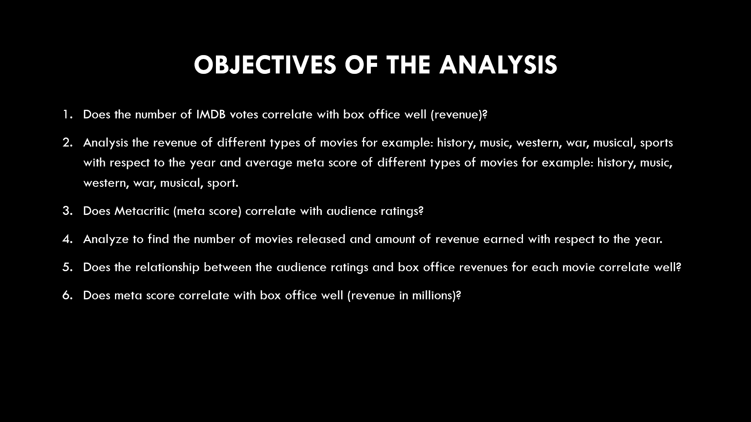

Dashboard
 |  |  |  |  | s
X Axis | Y Axis | Correlation | 20%
 | Metascore Vs Revenue (Millions)
76 | 333.13
65 | 126.46
62 | 138.12
59 | 270.32
40 | 325.02
42 | 45.13
93 | 151.06
71 | 0
78 | 8.01
41 | 100.01
66 | 234.02
74 | 169.27
65 | 532.17
81 | 248.75
70 | 2.87
61 | 368.31
71 | 67.12
58 | 162.16
69 | 51.69
81 | 100.5
49 | 7.22
96 | 47.7
72 | 0
56 | 153.69
32 | 103.14
0 | 0
0 | 6.5
0 | 0.01
60 | 113.08
36 | 54.65
39 | 60.31
67 | 10.64
52 | 155.33
65 | 363.02
49 | 26.84
75 | 408.08
74 | 187.99
72 | 232.6
54 | 93.38
0 | 0
66 | 97.66
99 | 27.85
0 | 0
66 | 12.79
57 | 4.21
45 | 241.06
64 | 3.44
0 | 0
68 | 158.8
16 | 0
...
War Vs Musical (Revenue)
 | War | Musical
2006 | 248.21 | 0
2007 | 0 | 77.22
2008 | 51.75 | 143.7
2009 | 120.52 | 0
2010 | 6.86 | 0
2011 | 0 | 0
2012 | 0 | 187.29
2013 | 0 | 0
2014 | 85.71 | 0
2015 | 18.7 | 0
2016 | 2.58 | 0

Quick Facts

Number of Movies Released

44

Amount of Revenue Earned

3624.46 (Millions)

Number of titles according to first letter
 | Count
G | 24
P | 42
S | 82
T | 253
L | 40
M | 57
F | 34
H | 39
R | 29
C | 45
J | 16
A | 50
I | 40
B | 47
D | 41
W | 30
N | 19
X | 5
Average Metascore of War
Average Metascore of Musical

65
60
 |  |  |  |  |  | s
 |  |  |  | IMDB MOVIES DATA ANALYSIS [2006-2016]

 |  |  |  | ZZZ

